VKB Gladiator NXT Left Config
 |  |  |  |  |  |  |  |  |  |  |  |  |  |  |  | 8-way Mode
 |  |  |  |  |  |  |  | 11 |  |  |  |  | ↖ |  |  | ↑ |  |  | ↗
 |  |  |  |  | 14 |  |  | 15 |  | 12 |  |  | ← |  |  | ⌂ | Mode Switch |  | →
 |  |  |  |  |  |  |  | 13 |  |  |  |  | ↙ |  |  | ↓ |  |  | ↘

 |  |  |  |  |  |  |  |  |  |  |  | 6 |  |  |  |  |  | X/Y Rotation Axis
 |  |  |  |  |  |  |  |  | 9 |  |  | 10 |  | 7 |  |  |  | ⌂ | Mode Switch
 |  |  |  |  |  |  |  |  |  |  |  | 8

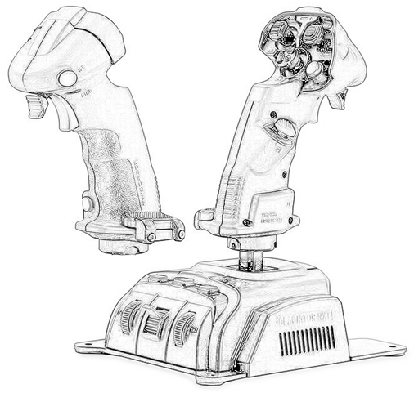
 |  |  |  | 4

 |  | 21
 |  | 22 |  |  |  |  |  |  |  |  |  |  |  |  |  |  |  | 3

 |  |  | 1
 |  |  | 2
 |  |  |  |  |  |  |  |  |  |  |  |  |  |  |  |  |  |  |  |  | 16
 |  |  |  | 5 |  |  |  |  |  |  |  |  |  |  |  |  |  | 19 |  |  | 20 | 17
 |  |  |  |  |  |  |  |  |  |  |  |  |  |  |  |  |  |  |  |  | 18

28
 | 27
 |  |  | 29

 |  |  | Encoder 1 |  |  |  |  |  |  |  |  |  |  |  |  |  |  |  |  | Encoder 2
 |  | ↑ | 23 |  |  |  |  |  |  |  |  |  |  |  |  |  |  |  | ↑ | 25
 |  | ↓ | 24 |  |  |  |  |  |  |  |  |  |  |  |  |  |  |  | ↓ | 26

 |  |  |  |  |  |  | Throttle Axis |  |  |  | X / Y Axis |  |  |  | Z Axis
 |  |  |  |  |  | ↑ |  |  |  |  |  | ↑ |  |  | Twist
 |  |  |  |  |  | ↓ |  |  |  | ← |  |  | →
 |  |  |  |  |  |  |  |  |  |  |  | ↓

VKB Gladiator NXT Right Config
 |  |  |  |  |  |  | 8-way Mode
 |  |  |  | ↖ |  |  | ↑ |  |  |  | ↗ |  |  |  |  |  |  |  | 11
 |  |  |  | ← |  |  | ⌂ | Mode Switch |  |  | → |  |  |  | 14 |  |  |  | 15 |  | 12
 |  |  |  | ↙ |  |  | ↓ |  |  |  | ↘ |  |  |  |  |  |  |  | 13

 |  |  |  |  | X/Y Rotation Axis |  |  |  |  |  |  | 6
 |  |  |  |  | ⌂ | Mode Switch |  |  |  | 9 |  | 10 |  |  |  |  | 7
 |  |  |  |  |  |  |  |  |  |  |  | 8

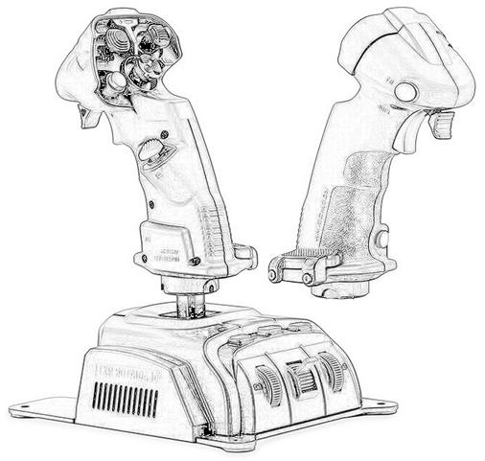
 |  |  |  |  |  |  |  |  |  |  |  |  |  |  |  |  |  |  |  |  |  | 4

 |  |  |  |  |  |  |  |  |  |  |  |  |  |  |  |  |  |  |  |  |  |  |  | 21
 |  |  |  |  | 3 |  |  |  |  |  |  |  |  |  |  |  |  |  |  |  |  |  |  | 22

 |  |  |  |  |  |  |  |  |  |  |  |  |  |  |  |  |  |  |  |  |  |  | 1
 |  |  |  |  |  |  |  |  |  |  |  |  |  |  |  |  |  |  |  |  |  |  | 2
 | 16
19 | 20 |  |  |  | 17 |  |  |  |  |  |  |  |  |  |  |  |  |  |  |  |  | 5
 | 18

 |  |  |  |  |  |  |  |  |  |  |  |  |  |  |  |  |  |  |  |  |  |  |  |  |  | 29
 |  |  |  |  |  |  |  |  |  |  |  |  |  |  |  |  |  |  |  |  |  |  |  |  | 27
 |  |  |  |  |  |  |  |  |  |  |  |  |  |  |  |  |  |  |  |  |  |  | 28

 |  |  | Encoder 1 |  |  |  |  |  |  |  |  |  |  |  |  |  |  |  |  |  |  |  |  | Encoder 2
 |  | ↑ | 23 |  |  |  |  |  |  |  |  |  |  |  |  |  |  |  |  |  |  |  | ↑ | 25
 |  | ↓ | 24 |  |  |  |  |  |  |  |  |  |  |  |  |  |  |  |  |  |  |  | ↓ | 26

 |  |  |  |  |  |  |  |  |  | Throttle Axis |  |  |  | X / Y Axis |  |  |  |  |  | Z Axis
 |  |  |  |  |  |  |  |  | ↑ |  |  |  |  |  |  | ↑ |  |  |  | Twist
 |  |  |  |  |  |  |  |  | ↓ |  |  |  | ← |  |  |  |  | →
 |  |  |  |  |  |  |  |  |  |  |  |  |  |  |  | ↓

